Intro
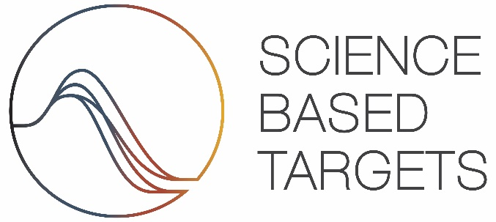

Sectoral Decarbonization Approach - Transport Tool, Version 1.1.1

IMPORTANT: By using this tool you acknowledge that you have read, understood and agree to our Terms of Use and Disclaimer.

Terms of use This Tool is intended to enable companies to develop appropriate science-based emissions reductions targets, as well as to assist companies and interested third parties in assessing and evaluating companies' targets. These terms of use govern all access to and use of the Tool. Please read these terms carefully before accessing or using the Tool and any associated materials. By accepting these terms, you indicate that you have read and understood them and that you agree to abide by them. If you do not agree to these terms, you will not be able to use the Tool. The Partner Organizations reserve the right, at their discretion, to withdraw or amend the Tool without notice, and will not be liable if for any reason the Tool is unavailable at any time or for any period. Further, the Partner Organizations reserve the right to modify or replace any part of these terms of use. It is your responsibility to check these terms periodically for changes. Your continued use of the Tool following the posting of any changes to these terms constitutes acceptance of those changes.

Disclaimer The Tool and associated materials have been prepared by the Initiative with a high degree of expertise and professionalism, and reflect current best practice in science-based target setting. However, the Partner Organizations, collectively and individually, do not warrant the Tool for any purpose, nor do they make any representations regarding its accuracy, completeness, timeliness or fitness for any use or purpose whatsoever. Information generated by the tool is not intended to amount to advice on which reliance should be placed. Developing science-based targets is a multi-step process and appropriate company-wide science-based targets can only be developed after careful consideration of the necessary input data on company emissions and activity. Only then should emissions targets be developed. The Initiative does not examine, verify or hold any such input data provided by users of the Tool. The Tool relies on data obtained from a variety of third-party sources. This data was obtained from sources believed by the Initiative to be reliable, but there can be no assurance as to the accuracy or completeness of this data. Further, scenarios and assumptions included in the Tool are inherently uncertain due to events or combinations of events that cannot reasonably be foreseen, including, without limitation, the actions of governments, organizations and individuals. The Partner Organizations, collectively and individually, make no warranties or representations about the accuracy or completeness of the data or assumptions contained in this Tool. You therefore understand that you use the Tool at your own discretion and risk. You agree that you are not entitled to rely on any information generated by the Tool. You further agree to hold the Partner Organizations, collectively and individually, harmless for loss you might suffer arising out of any inaccuracies in information generated by the Tool. Under no circumstances shall the Partner Organizations, collectively

Notes:
The SDA transport tool uses proprietary data from the IEA Mobility Model and therefore these data is protected.

Tool


 | Sectoral Decarbonization Approach - Transport Tool

 | Version 1.1.1 | Feb-23 |  |  | Support: | info@sciencebasedtargets.org
 | Please refer to: | Terms of use | Disclaimer

Please fill in all orange cells below to model a target |  | IMPORTANT NOTE:
 |  | This revised version of the SBTi Transport Tool has been released to assist companies with modelling Scope 3 targets only.
 |  | The tool outputs cannot be used to inform emission reduction requirements for owned/controlled transport operations.

Section 1. Select a type of transport related emissions

 |  | Emissions category for target modelling

Section 2. Select a transport category

 |  | Please refer to guidance document

Section 3. Enter target details

Select a base year |  | Any base year between 2015 and the current year is eligible
Select a target year |  | Any target year between 5 and 10 years from year of submission is eligible

Well to Wheel emissions in base year |  | Metric tonnes of CO2 eq.
Activity in base year |  | Select a transport mode / category
Expected activity in target year |  | Select a transport mode / category

Well to Tank emissions in base year |  | Metric tonnes of CO2 eq.
Tank to Wheel emissions in base year |  | Metric tonnes of CO2 eq.

Section 4. Review target modelling results

Target modelling results - B2DS

Sector information | -
Sector growth rate - B2DS (Select a transport mode / category) | #N/A
Not available | ---

Sectoral Decarbonization Approach (B2DS) |  |  | Base year | Target year | % Reduction -
Total passenger transport | WTW emissions | Metric tonnes of CO2 eq. |  |  | #N/A
 | WTW carbon intensity | Select a transport mode / category |  | #N/A | #N/A
 | WTT emissions | Metric tonnes of CO2 eq.
 | WTT carbon intensity | Select a transport mode / category | #N/A | #N/A | #N/A
 | TTW emissions | Metric tonnes of CO2 eq.
 | TTW carbon intensity | Select a transport mode / category | #N/A | #N/A | #N/A

#N/A
 | Company WTW emissions | Sector WTT emissions (Indexed) | Sector TTW emissions (Indexed) | Sector WTW emissions (Indexed)
0 | #N/A | #N/A | #N/A | #N/A
2030 | #N/A | #N/A | #N/A | #N/A
2040 | #N/A | #N/A | #N/A | #N/A
2050 | #N/A | #N/A | #N/A | #N/A
#N/A
 | Target year carbon intensity |  | Company WTW carbon intensity |  | Sector WTW carbon intensity
0 | #N/A | 0 | 0.00 | 0 | #N/A
 |  | 2030 | #N/A | 2030 | #N/A
 |  | 2040 | #N/A | 2040 | #N/A
 |  | 2050 | #N/A | 2050 | #N/A

